HSD Tj Cal
 |  |  |  |  |  |  |  |  |  |  |  |  | Temp_junction
 |  |  |  |  |  |  |  |  |  |  |  |  | 85.23
 |  |  |  |  |  |  |  |  |  |  |  |  | 86.17
I lamp $=\sqrt{\frac{Vbat}{Vref}}∗\frac{Plamp}{Vref}$
 |  |  |  |  |  |  |  |  |  |  |  |  | 87.11
 |  |  |  |  |  |  |  |  |  |  |  |  | 88.04
 |  |  |  |  |  |  |  |  |  |  |  |  | 88.98
$$Tj=Ta+\left({I1}^{2}Rdson_{1}+{I2}^{2}Rdson_{2}+ …+{In}^{2}Rdson_{n}\right)∗Rthja$$
 |  |  |  |  |  |  |  |  |  |  |  |  | 89.91
 |  |  |  |  |  |  |  |  |  |  |  |  | 90.85
 |  |  |  |  |  |  |  |  |  |  |  |  | 91.79

 | Reference |  |  |  | ST HSD Tj Calculation
 | Plamp | 5 | W |  | VND7E025AJTR |  |  | Switching Frequency(HZ) | Duty Cycle （100%） | Conduction Power(W)/Ch. | Switching Power(W)/Ch. | Load Type
 | Vref | 16 | V |  | Rdson_1 | 56 | mΩ @150℃ | 0 | 1 | 68.600 | 0.000 | Resistive
STEP 1
 | I lamp_ref | 0.31 | A |  | Rdson_2 | 56 | mΩ @150℃ | 0 | 0.5 | 0.000 | 0.000 | Resistive
 |  |  |  |  | Rdson_3 | 0 | mΩ @150℃ | 0 | 0.5 | 0.000 | 0.000 | Resistive
 | I lamp Calculation |  |  |  | Rdson_4 | 0 | mΩ @150℃ | 0 | 0.5 | 0.000 | 0.000 | Resistive
 | Plamp | 10 | W |  | Rdson_5 | 0 | mΩ @150℃ | 0 | 0.5 | 0.000 | 0.000 | Resistive
 | Tolerance | 10 | % |  | Rdson_6 | 0 | mΩ @150℃ | 0 | 0.5 | 0.000 | 0.000 | Resistive
 | Vbat | 16 | V |  | Rdson_7 | 0 | mΩ @150℃ | 0 | 1 | 0.000 | 0.000 | Resistive
 | I lamp | 1.07 | A |  | Rdson_8 | 0 | mΩ @150℃ | 0 | 1 | 0.000 | 0.000 | Resistive

STEP 2
 | Plamp Calculation |  |  |  | Tr+Td | 100 | uS | Power Category |  | Power(w) | Percentage(%)
 | I lamp | 2 | A |  | Temp_amb | 85 | ℃ | Conduction Power |  | 68.60 | 99.92%
 | Vbat | 16 | V |  | RthJA(JEDEC) | 21.6 | K/W | Switching Power |  | 0.00 | 0.00%
 | Plamp | 20 | W |  | Tol_RthJA | 20 | % | Power Disippation (On status) |  | 0.05 | 0.08%
 |  |  |  |  | RthJA(App.) | 25.92 | K/W | Total Power comsumption |  | 68.65

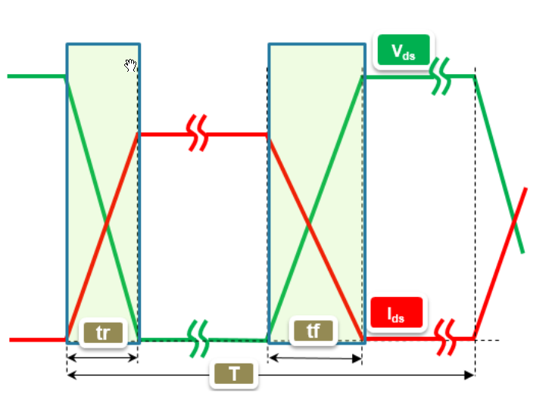
STEP 3
Resistive load: ideal waveforms |  |  |  |  | Vbat | 16 | V | PN | mΩ(ch0,1) | mΩ(ch2,3,4,5) | K/W
 |  |  |  |  | Is | 3.3 | mA | VN9D5D20FN | 16.7 | 44 | 23 |  |  | 1860.5 | 1860.5 | 1860.5 | 1860.5 | 1860.5 | 1860.5
 |  |  |  |  |  |  |  | VN9D30Q100F | 72 | 190 | 25 |  |  | 1860.5 | 1862.5 | 1862.5 | 1862.5 | 1862.5 | 1860.5
 |  |  |  |  |  |  |  | VNQ7050AJTR | 105 | 105 | 23.6 |  |  | 1860.5 | 1862.5 | 1864.5 | 1864.5 | 1862.5 | 1860.5
 |  |  |  |  |  |  |  | VNQ7E100AJTR | 210 | 210 | 27.1 |  |  | 1860.5 | 1862.5 | 1864.5 | 1864.5 | 1862.5 | 1860.5
 |  |  |  |  | AJ | F | AH | CH | AY | VND7140AJTR | 280 | 0 | 26.5 |  |  | 1860.5 | 1862.5 | 1862.5 | 1862.5 | 1862.5 | 1860.5
 |  |  |  |  | 5*6 | 6*6 | 6.5*9.7 | 10.3*10.3 | VND7E050AJTR | 100 | 0 | 23.8 |  |  | 1860.5 | 1860.5 | 1860.5 | 1860.5 | 1860.5 | 1860.5
 |  |  |  |  | Current_1 | 35 | A | VND7E040AJTR | 80 | 0 | 23.4
 |  |  |  |  | Current_2 | 0 | A | VND7E025AJTR | 56 | 0 | 21.6
 |  |  |  |  | Current_3 | 0 | A | VND7020AJTR | 44 | 0 | 21.5
 |  |  |  |  | Current_4 | 0 | A | VN7E010AJTR | 22.5 | 0 | 21.4
STEP 4
Psw(on)=1/6·(Vds·Id)·tr/T |  |  |  |  | Current_5 | 0 | A | VN7008AJTR | 17 | 0 | 21
Psw(off)=1/6·(Vds·Id)·tf/T |  |  |  |  | Current_6 | 0 | A | VN7007AHTR | 14.3 | 0 | 15.8
Inductive load: ideal waveforms |  |  |  |  | Current_7 | 0 | A | VN7004CHTR | 8 | 0 | 15.6
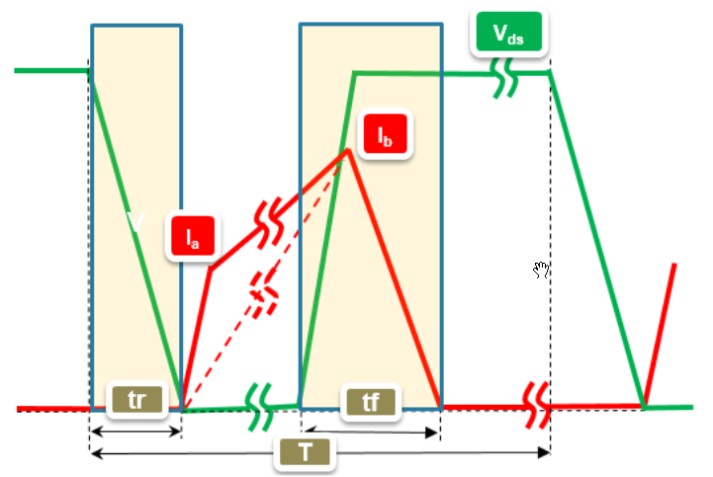
 |  |  |  |  | Current_8 | 0 | A | VN7003AHTR | 7 | 0 | 15.6
 |  |  |  |  | Rise_Temp | 1779.5 | ℃ | VN7000AYTR | 2.8 | 0 | 15.3
 |  |  |  |  | Tj | 1864.5 | ℃ | WARNING

 |  |  |  |  | VND7E025AJTR
 |  |  |  |  | ch0,1 | 25.20
 |  |  |  |  | ch2,3(4,5) | 190.00

Psw(on)=negligible
Psw(off)=1/2·(Vdsmax·Idpeak)·tf/T
I lamp $={\left(\frac{Vbat}{Vref}\right)}^{0.55}∗\frac{Plamp}{Vref}$

$$Tj=Ta+\left({I1}^{2}Rdson_{1}+{I2}^{2}Rdson_{2}+ …+{In}^{2}Rdson_{n}\right)∗Rthja$$

VN9D5D20FN
 | ch0,1 | ch2,3(4,5) | Pch0 | Pch1 | Pch2 | Pch3 | Pch4 | Pch5 | Pt | Tj | Diff
25 | 7.60 | 90.00 | 9.310 | 0.000 | 0.000 | 0.000 | 0.000 | 0.000 | 9.363
85 | 52.03 | 138.00 | 63.739 | 0.000 | 0.000 | 0.000 | 0.000 | 0.000 | 63.792 | 1679.80 | 1594.80
86 | 52.34 | 138.80 | 64.121 | 0.000 | 0.000 | 0.000 | 0.000 | 0.000 | 64.174 | 1689.36 | 1603.36
87 | 52.66 | 139.60 | 64.504 | 0.000 | 0.000 | 0.000 | 0.000 | 0.000 | 64.556 | 1698.91 | 1611.91
88 | 52.97 | 140.40 | 64.886 | 0.000 | 0.000 | 0.000 | 0.000 | 0.000 | 64.939 | 1708.47 | 1620.47
89 | 53.28 | 141.20 | 65.268 | 0.000 | 0.000 | 0.000 | 0.000 | 0.000 | 65.321 | 1718.02 | 1629.02
90 | 53.59 | 142.00 | 65.650 | 0.000 | 0.000 | 0.000 | 0.000 | 0.000 | 65.703 | 1727.58 | 1637.58
91 | 53.90 | 142.80 | 66.032 | 0.000 | 0.000 | 0.000 | 0.000 | 0.000 | 66.085 | 1737.13 | 1646.13
92 | 54.22 | 143.60 | 66.415 | 0.000 | 0.000 | 0.000 | 0.000 | 0.000 | 66.467 | 1746.69 | 1654.69
93 | 54.53 | 144.40 | 66.797 | 0.000 | 0.000 | 0.000 | 0.000 | 0.000 | 66.850 | 1756.24 | 1663.24
94 | 54.84 | 145.20 | 67.179 | 0.000 | 0.000 | 0.000 | 0.000 | 0.000 | 67.232 | 1765.80 | 1671.80
95 | 55.15 | 146.00 | 67.561 | 0.000 | 0.000 | 0.000 | 0.000 | 0.000 | 67.614 | 1775.35 | 1680.35
96 | 55.46 | 146.80 | 67.943 | 0.000 | 0.000 | 0.000 | 0.000 | 0.000 | 67.996 | 1784.91 | 1688.91
97 | 55.78 | 147.60 | 68.326 | 0.000 | 0.000 | 0.000 | 0.000 | 0.000 | 68.378 | 1794.46 | 1697.46
98 | 56.09 | 148.40 | 68.708 | 0.000 | 0.000 | 0.000 | 0.000 | 0.000 | 68.761 | 1804.01 | 1706.01
99 | 56.40 | 149.20 | 69.090 | 0.000 | 0.000 | 0.000 | 0.000 | 0.000 | 69.143 | 1813.57 | 1714.57
100 | 56.71 | 150.00 | 69.472 | 0.000 | 0.000 | 0.000 | 0.000 | 0.000 | 69.525 | 1823.13 | 1723.13
101 | 57.02 | 150.80 | 69.854 | 0.000 | 0.000 | 0.000 | 0.000 | 0.000 | 69.907 | 1832.68 | 1731.68
102 | 57.34 | 151.60 | 70.237 | 0.000 | 0.000 | 0.000 | 0.000 | 0.000 | 70.289 | 1842.24 | 1740.24
103 | 57.65 | 152.40 | 70.619 | 0.000 | 0.000 | 0.000 | 0.000 | 0.000 | 70.672 | 1851.79 | 1748.79
104 | 57.96 | 153.20 | 71.001 | 0.000 | 0.000 | 0.000 | 0.000 | 0.000 | 71.054 | 1861.34 | 1757.34
105 | 58.27 | 154.00 | 71.383 | 0.000 | 0.000 | 0.000 | 0.000 | 0.000 | 71.436 | 1870.90 | 1765.90
106 | 58.58 | 154.80 | 71.765 | 0.000 | 0.000 | 0.000 | 0.000 | 0.000 | 71.818 | 1880.46 | 1774.46
107 | 58.90 | 155.60 | 72.148 | 0.000 | 0.000 | 0.000 | 0.000 | 0.000 | 72.200 | 1890.01 | 1783.01
108 | 59.21 | 156.40 | 72.530 | 0.000 | 0.000 | 0.000 | 0.000 | 0.000 | 72.583 | 1899.57 | 1791.57
109 | 59.52 | 157.20 | 72.912 | 0.000 | 0.000 | 0.000 | 0.000 | 0.000 | 72.965 | 1909.12 | 1800.12
110 | 59.83 | 158.00 | 73.294 | 0.000 | 0.000 | 0.000 | 0.000 | 0.000 | 73.347 | 1918.68 | 1808.68
111 | 60.14 | 158.80 | 73.676 | 0.000 | 0.000 | 0.000 | 0.000 | 0.000 | 73.729 | 1928.23 | 1817.23
112 | 60.46 | 159.60 | 74.059 | 0.000 | 0.000 | 0.000 | 0.000 | 0.000 | 74.111 | 1937.79 | 1825.79
113 | 60.77 | 160.40 | 74.441 | 0.000 | 0.000 | 0.000 | 0.000 | 0.000 | 74.494 | 1947.34 | 1834.34
114 | 61.08 | 161.20 | 74.823 | 0.000 | 0.000 | 0.000 | 0.000 | 0.000 | 74.876 | 1956.90 | 1842.90
115 | 61.39 | 162.00 | 75.205 | 0.000 | 0.000 | 0.000 | 0.000 | 0.000 | 75.258 | 1966.45 | 1851.45
116 | 61.70 | 162.80 | 75.587 | 0.000 | 0.000 | 0.000 | 0.000 | 0.000 | 75.640 | 1976.00 | 1860.00
117 | 62.02 | 163.60 | 75.970 | 0.000 | 0.000 | 0.000 | 0.000 | 0.000 | 76.022 | 1985.56 | 1868.56
118 | 62.33 | 164.40 | 76.352 | 0.000 | 0.000 | 0.000 | 0.000 | 0.000 | 76.405 | 1995.12 | 1877.12
119 | 62.64 | 165.20 | 76.734 | 0.000 | 0.000 | 0.000 | 0.000 | 0.000 | 76.787 | 2004.67 | 1885.67
120 | 62.95 | 166.00 | 77.116 | 0.000 | 0.000 | 0.000 | 0.000 | 0.000 | 77.169 | 2014.23 | 1894.23
121 | 63.26 | 166.80 | 77.498 | 0.000 | 0.000 | 0.000 | 0.000 | 0.000 | 77.551 | 2023.78 | 1902.78
122 | 63.58 | 167.60 | 77.881 | 0.000 | 0.000 | 0.000 | 0.000 | 0.000 | 77.933 | 2033.33 | 1911.33
123 | 63.89 | 168.40 | 78.263 | 0.000 | 0.000 | 0.000 | 0.000 | 0.000 | 78.316 | 2042.89 | 1919.89
124 | 64.20 | 169.20 | 78.645 | 0.000 | 0.000 | 0.000 | 0.000 | 0.000 | 78.698 | 2052.45 | 1928.45
125 | 64.51 | 170.00 | 79.027 | 0.000 | 0.000 | 0.000 | 0.000 | 0.000 | 79.080 | 2062.00 | 1937.00
126 | 64.82 | 170.80 | 79.409 | 0.000 | 0.000 | 0.000 | 0.000 | 0.000 | 79.462 | 2071.56 | 1945.55
127 | 65.14 | 171.60 | 79.792 | 0.000 | 0.000 | 0.000 | 0.000 | 0.000 | 79.844 | 2081.11 | 1954.11
128 | 65.45 | 172.40 | 80.174 | 0.000 | 0.000 | 0.000 | 0.000 | 0.000 | 80.227 | 2090.67 | 1962.67
129 | 65.76 | 173.20 | 80.556 | 0.000 | 0.000 | 0.000 | 0.000 | 0.000 | 80.609 | 2100.22 | 1971.22
130 | 66.07 | 174.00 | 80.938 | 0.000 | 0.000 | 0.000 | 0.000 | 0.000 | 80.991 | 2109.78 | 1979.78
131 | 66.38 | 174.80 | 81.320 | 0.000 | 0.000 | 0.000 | 0.000 | 0.000 | 81.373 | 2119.33 | 1988.33
132 | 66.70 | 175.60 | 81.703 | 0.000 | 0.000 | 0.000 | 0.000 | 0.000 | 81.755 | 2128.89 | 1996.89
133 | 67.01 | 176.40 | 82.085 | 0.000 | 0.000 | 0.000 | 0.000 | 0.000 | 82.138 | 2138.44 | 2005.44
134 | 67.32 | 177.20 | 82.467 | 0.000 | 0.000 | 0.000 | 0.000 | 0.000 | 82.520 | 2148.00 | 2014.00
135 | 67.63 | 178.00 | 82.849 | 0.000 | 0.000 | 0.000 | 0.000 | 0.000 | 82.902 | 2157.55 | 2022.55
136 | 67.94 | 178.80 | 83.231 | 0.000 | 0.000 | 0.000 | 0.000 | 0.000 | 83.284 | 2167.11 | 2031.11
137 | 68.26 | 179.60 | 83.614 | 0.000 | 0.000 | 0.000 | 0.000 | 0.000 | 83.666 | 2176.66 | 2039.66
138 | 68.57 | 180.40 | 83.996 | 0.000 | 0.000 | 0.000 | 0.000 | 0.000 | 84.049 | 2186.22 | 2048.22
139 | 68.88 | 181.20 | 84.378 | 0.000 | 0.000 | 0.000 | 0.000 | 0.000 | 84.431 | 2195.77 | 2056.77
140 | 69.19 | 182.00 | 84.760 | 0.000 | 0.000 | 0.000 | 0.000 | 0.000 | 84.813 | 2205.33 | 2065.33
141 | 69.50 | 182.80 | 85.142 | 0.000 | 0.000 | 0.000 | 0.000 | 0.000 | 85.195 | 2214.88 | 2073.88
142 | 69.82 | 183.60 | 85.525 | 0.000 | 0.000 | 0.000 | 0.000 | 0.000 | 85.577 | 2224.44 | 2082.44
143 | 70.13 | 184.40 | 85.907 | 0.000 | 0.000 | 0.000 | 0.000 | 0.000 | 85.960 | 2233.99 | 2090.99
144 | 70.44 | 185.20 | 86.289 | 0.000 | 0.000 | 0.000 | 0.000 | 0.000 | 86.342 | 2243.55 | 2099.55
145 | 70.75 | 186.00 | 86.671 | 0.000 | 0.000 | 0.000 | 0.000 | 0.000 | 86.724 | 2253.10 | 2108.10
146 | 71.06 | 186.80 | 87.053 | 0.000 | 0.000 | 0.000 | 0.000 | 0.000 | 87.106 | 2262.65 | 2116.65
147 | 71.38 | 187.60 | 87.436 | 0.000 | 0.000 | 0.000 | 0.000 | 0.000 | 87.488 | 2272.21 | 2125.21
148 | 71.69 | 188.40 | 87.818 | 0.000 | 0.000 | 0.000 | 0.000 | 0.000 | 87.871 | 2281.77 | 2133.77
149 | 72.00 | 189.20 | 88.200 | 0.000 | 0.000 | 0.000 | 0.000 | 0.000 | 88.253 | 2291.32 | 2142.32
150 | 25.20 | 190.00 | 30.870 | 0.000 | 0.000 | 0.000 | 0.000 | 0.000 | 30.923 | 858.07 | 708.07

 | 25 | 5.8 | 20
 | 150 | 12.8 | 43.5

